Index

APEC MOSFET/ IC Selector Guide
(Updated 2017/12)

LV-MOSFET ( ≦ 40V ) | LDO
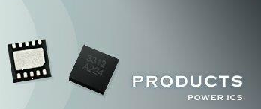
MV-MOSFET ( 45V ~ 300V ) | Switching Controller

HV-MOSFET ( ≧ 400V ) | Switching Converter

Super Junction | DDR Terminator & Reset IC
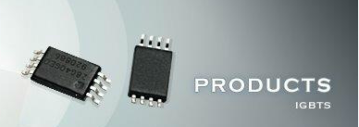
IGBT | Load Switch

