Index

APEC MOSFET/ IC Selector Guide
(Updated 2018/05)

LV-MOSFET ( ≦ 40V ) | LDO
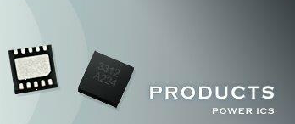
MV-MOSFET ( 45V ~ 300V ) | Switching Controller

HV-MOSFET ( ≧ 400V ) | DDR Terminator & Reset IC

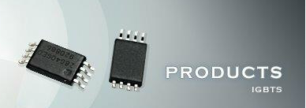
Super Junction | Load Switch

IGBT

